Translation Table

Date Created: Jan 05, 2022
Virginia Tourism Authority
For the Week of December 26, 2021 to January 01, 2022

Table Of Contents | 1
Translation Table - 2021 | 2
Multi-Seg-Occ | 3
Multi-Seg-ADR | 4
Multi-Seg-RevPAR | 5
Multi-Seg Raw-Sup | 6
Multi-Seg Raw-Dem | 7
Multi-Seg Raw-Rev | 8
Multi-Seg II-Occ | 9
Multi-Seg II-ADR | 10
Multi-Seg II-RevPAR | 11
Multi-Seg Raw II-Sup | 12
Multi-Seg Raw II-Dem | 13
Multi-Seg Raw II-Rev | 14
Multi-Seg III-Occ | 15
Multi-Seg III-ADR | 16
Multi-Seg III-RevPAR | 17
Multi-Seg Raw III-Sup | 18
Multi-Seg Raw III-Dem | 19
Multi-Seg Raw III-Rev | 20
Help | 21

Corporate North American Headquarters |  | International Headquarters
T : +1 (615) 824 8664 |  | T : +44 (0)207 922 1930
destininfo@str.com www.str.com |  | industryinfo@str.com www.str.com

2022 © CoStar Group. This STR Report is a publication of STR, LLC and STR Global, Ltd., CoStar Group companies, and is intended solely for use by paid subscribers. The information in the STR Report is provided on an “as is” and “as available” basis and should not be construed as investment, tax, accounting or legal advice. Reproduction or distribution of this STR Report, in whole or part, without written permission is prohibited and subject to legal action. If you have received this report and are NOT a subscriber to this STR Report, please contact us immediately. Source: 2022 STR, LLC / STR Global, Ltd. trading as "STR".

Market Maps ->
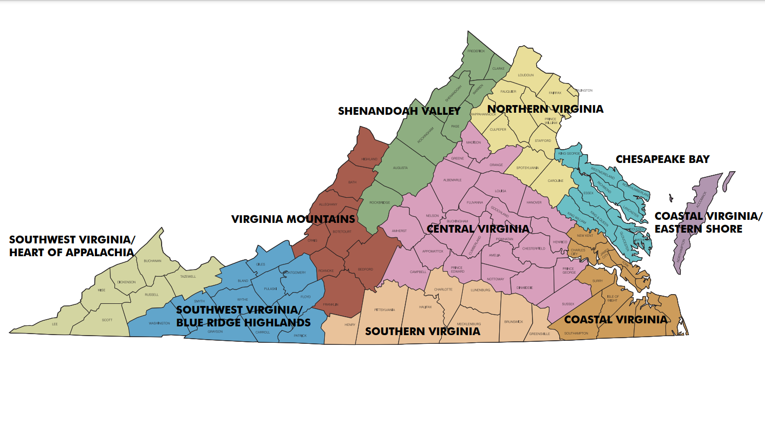
Virginia Tourism Regions.
Refer to tabs to the right for STR Submarket Maps

Washington, DC Market
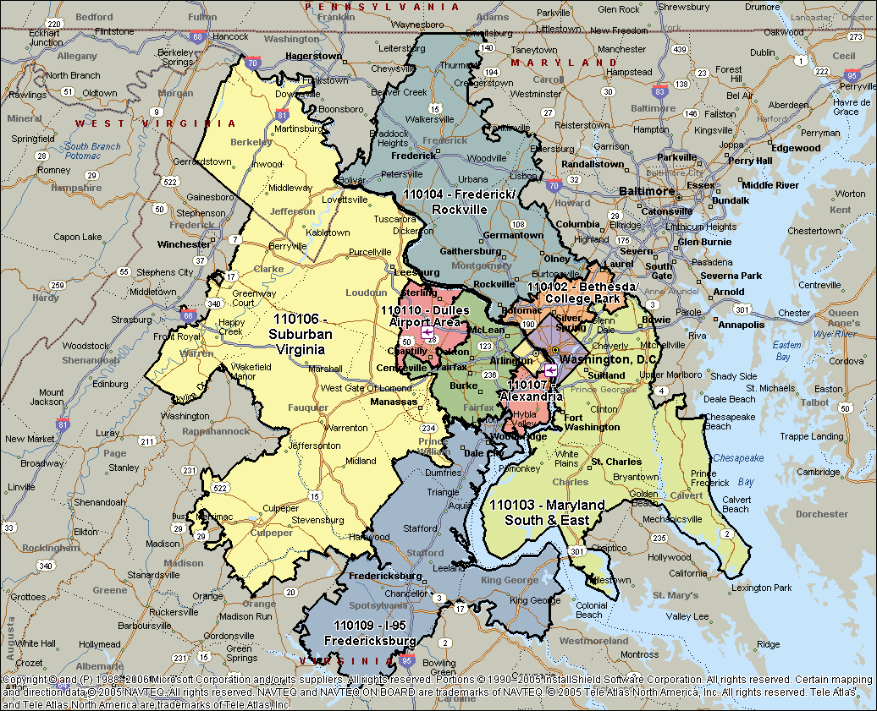

Norfolk & Virginia Beach, VA
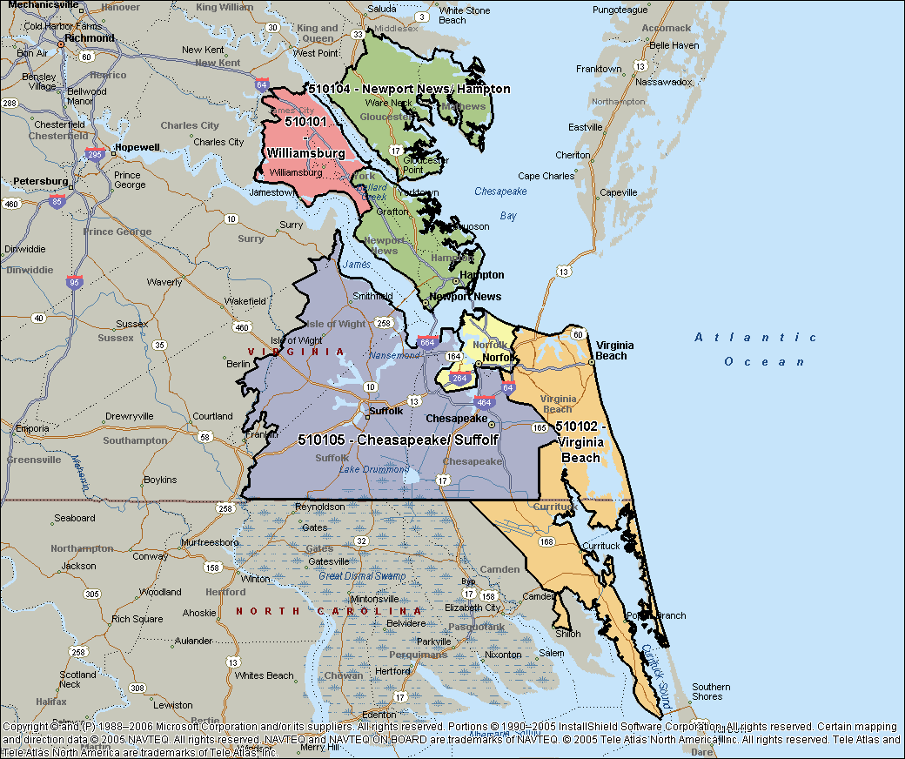

Virginia Area
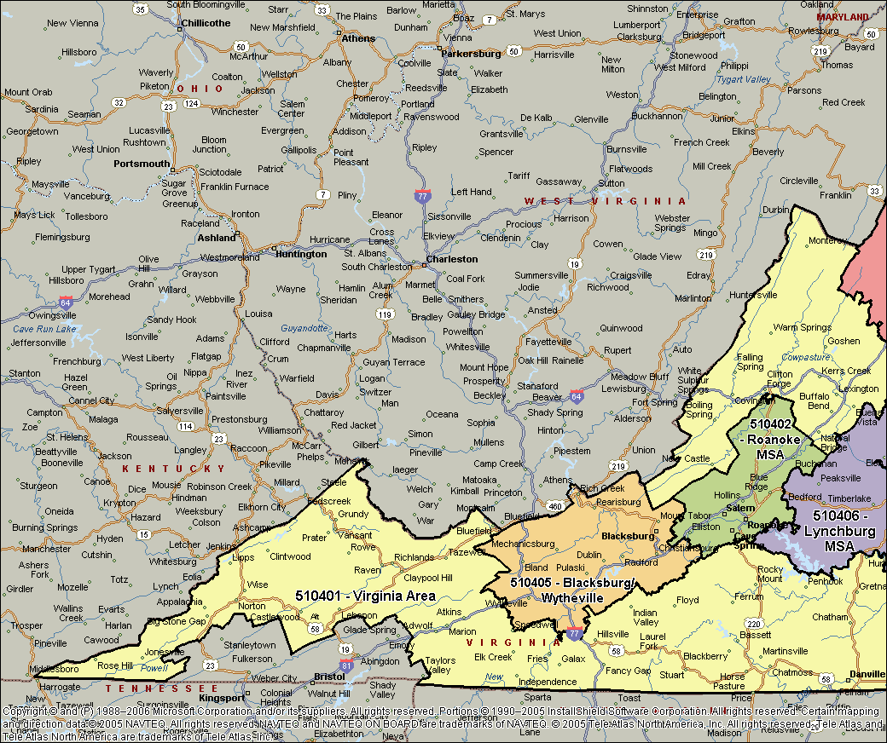
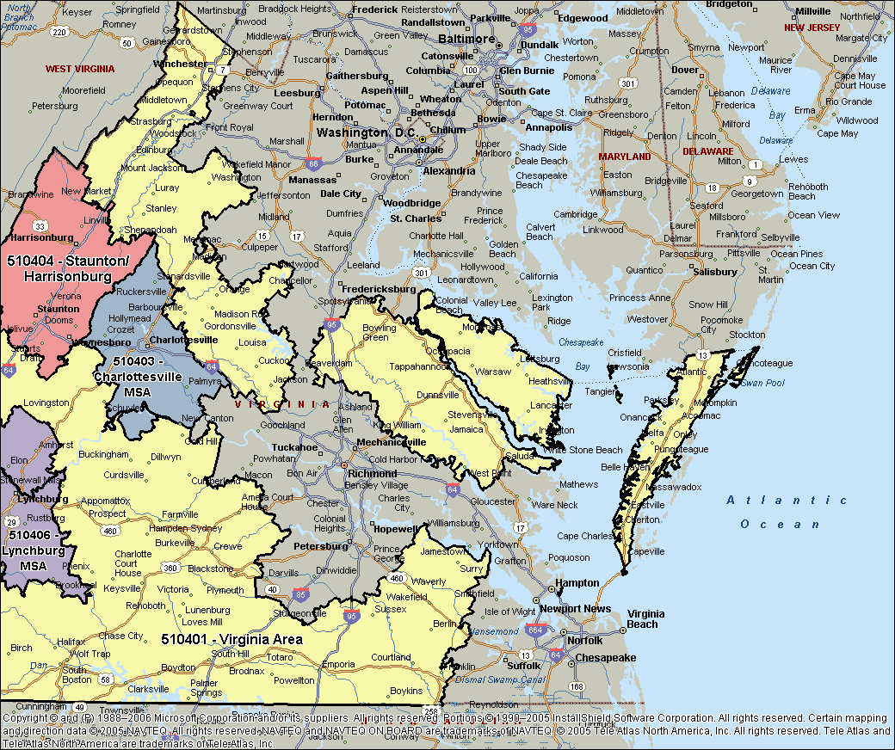

Richmond-Petersburg, VA
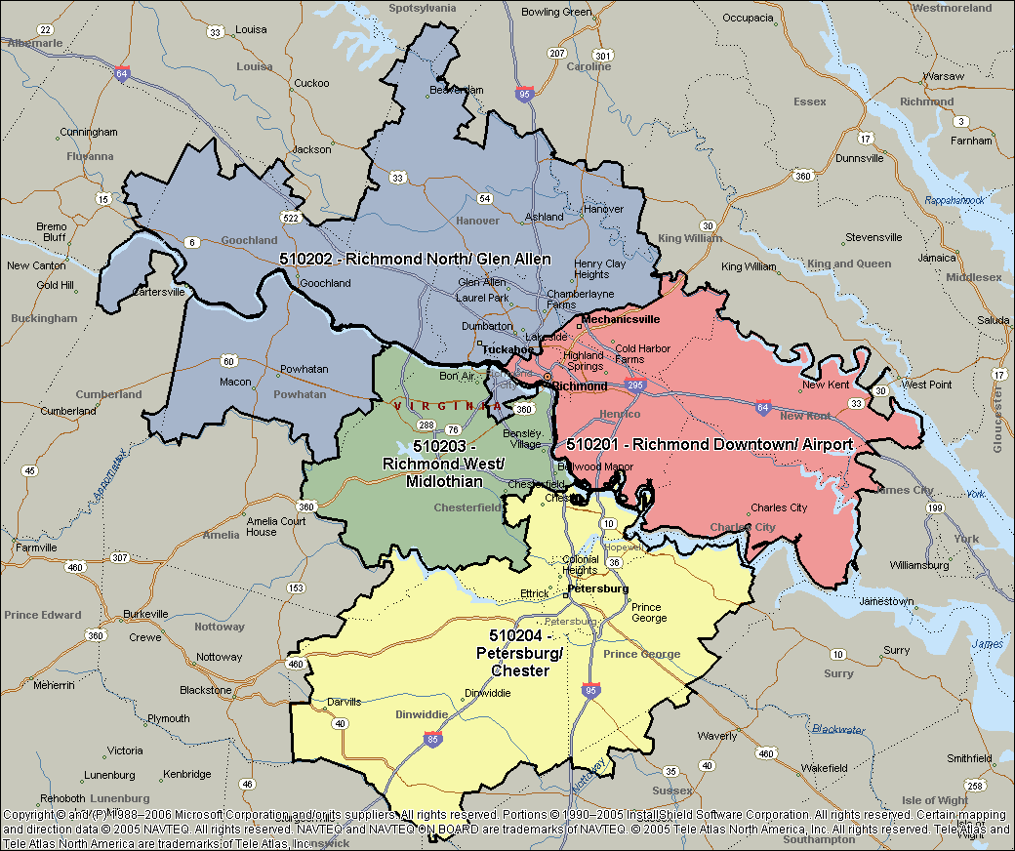

Bristol & Kingsport TN&VA, MSA
